Sheet1
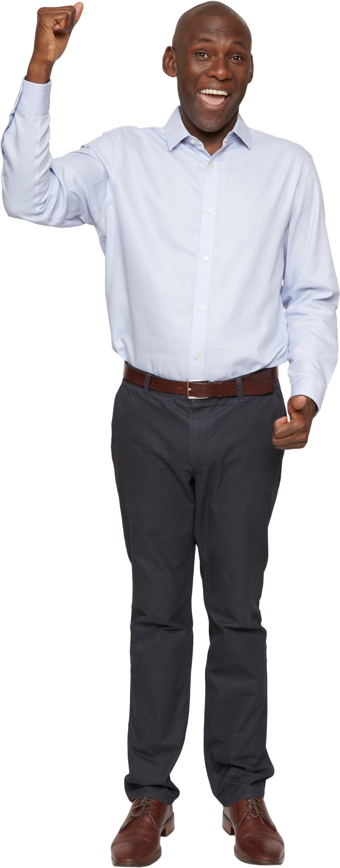
Name | Answer Expected
Paul Hughes | 8
Zachary
Alan Murphy
Ralph Gutierrez M.
Harold Cruz
Donald V. Nelson
Billy Jean King
Russell Mendoza

Frank Chavez
Jeffrey
Jonathan Martinez
Count the words which have only 2 words.
Frank Misla Lopez
Anthony
Paul Scott
George
K. Raymond Rodriguez
Carl Miller
Laura Shell Wagner

